Sheet1
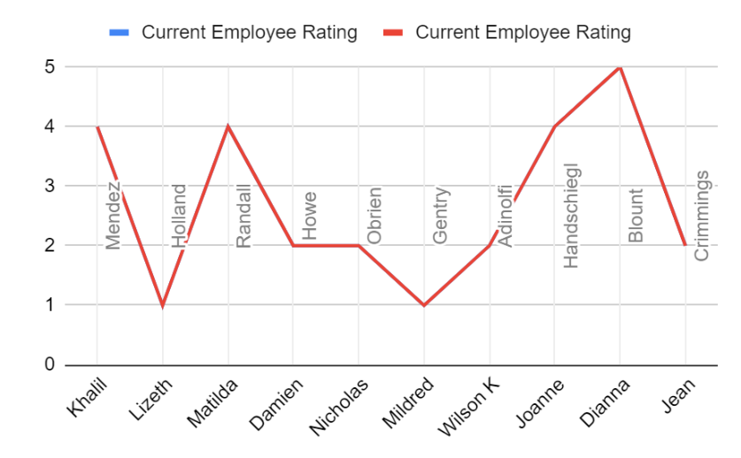
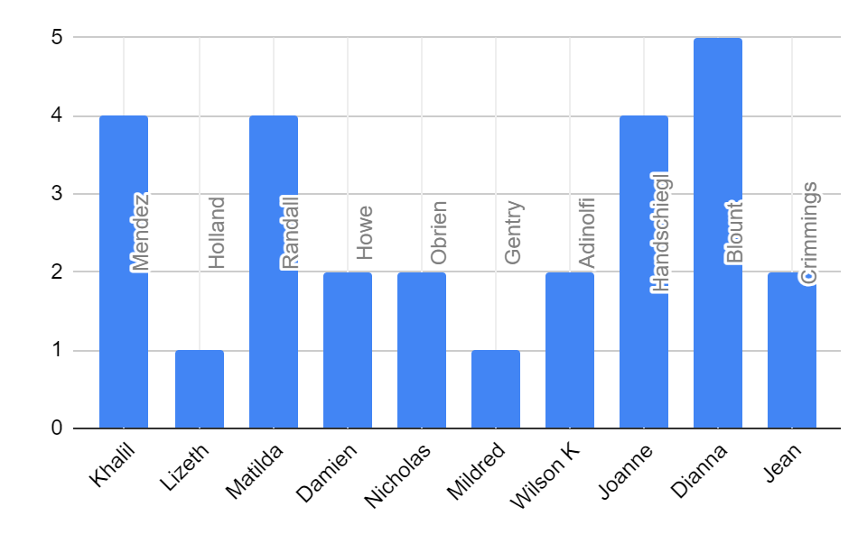
First Name | LastName | Gender | Business Unit | Performance Score | Current Employee Rating | Credit Rating Performance
Khalil | Mendez | Male | NEL | Fully Meets | 4 | Good
Lizeth | Holland | Male | MSC | Fully Meets | 1 | Bad
Matilda | Randall | Female | EW | Fully Meets | 4 | Good
Damien | Howe | Male | CCDR | Exceeds | 2 | Average
Nicholas | Obrien | Male | BPC | Fully Meets | 2 | Average
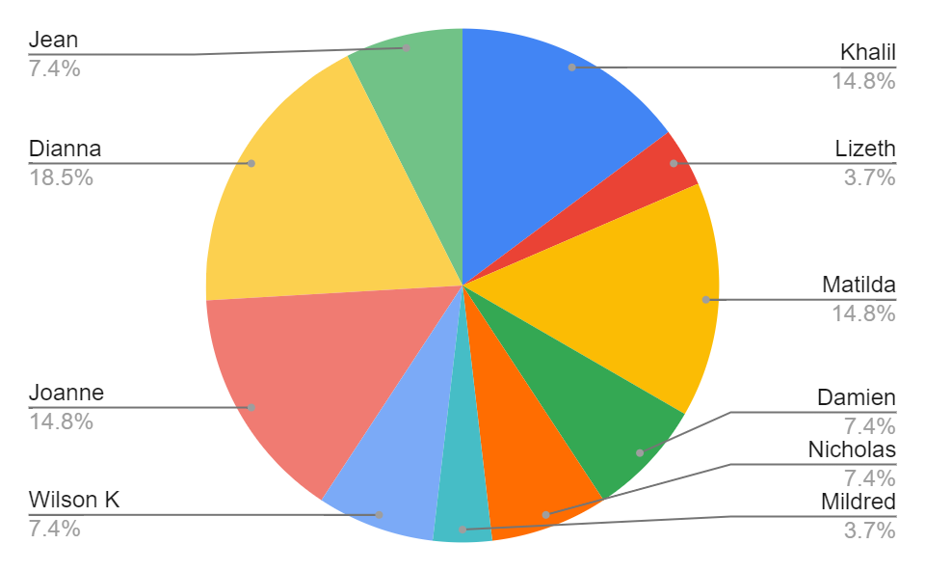
Mildred | Gentry | Female | MSC | Fully Meets | 1 | Bad
Wilson K | Adinolfi | Male | NEL | Fully Meets | 2 | Average
Joanne | Handschiegl | Female | MSC | Exceeds | 4 | Good
Dianna | Blount | Female | BPC | Fully Meets | 5 | Good
Jean | Crimmings | Female | CCDR | Exceeds | 2 | Average

